Sheet1
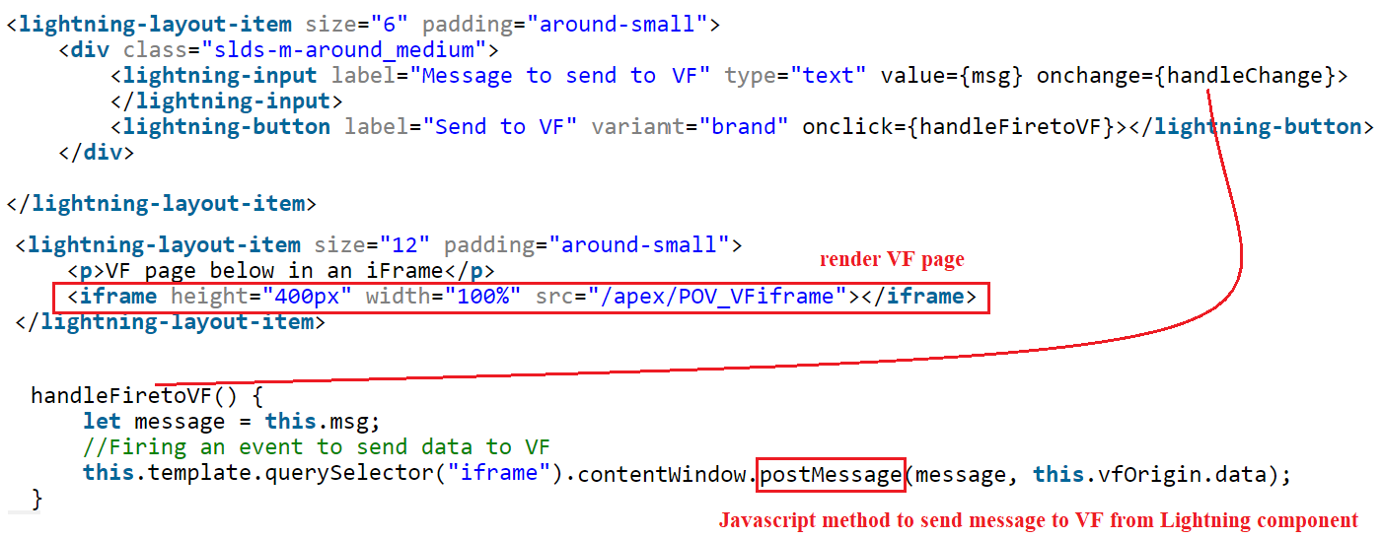
Rending UI | Rendering UI at Server Level (whole page is rendered at Apex server). High latency
 | It is part of MVC framework. Page Centic.
 | Validations: Both Client side and server side validations also hapenning at server side
 | Caching: There is no separate caching layer like LDS for lightning components
 | Pagination: Pagination will always happening at server side. Using StandardSet Controller or StandardList Controller
 | Eagerly Loading: All VF componets are eagerly loaded during loading the VF page: Ex: Need to controll the behaviour of loading "Inline VF pages" to display the large amount of data.
 | 2way Binding: we need to integrate javascript frameworks like Angular. So, we have more flexibility to use 3rd party Javascript frameworks, but it is not possible in Lightning because of Locker Service and Shadow DOM.
 | Testing: UI manual testing. Or we need to use external tools like Selenium and Provar etc. But it is not flexible, whenever we change the fields or sections in the page layout we need to adjust out scripts.
 | Mobile Device: Not suited for mobile devices
 | Security: Javascript vonularabilities are more in VF. We can use Javascrpt through buttons, formula fields etc

 | App Integration: If we want to integrate external Javascript Apps, we can easily integrate through static resource. And we can easliy modify the DOM in VF. But it is not possible in Lightning components because of locker service and Shadow DOM
 | Service Integration: If we want to call SOAP webservice, we can call using @RemoteAction. Where as we need to convert the SOAP call from Aura Methods in Lightning Components
 | Dashboards: VF is very userful to generate dashbaords
 | Content Type: By default, VF can serve in multiple formats like PDF, excel, html etc
 | Security: By default VF takes care CRUD and FLS permissions. And also it considered the sharing model (with, without sharing settings)
 | Bulk Data: if we need to display more 50000 records, upto million of records, VF support using the attribute readOnly
 | Exposing a Public-Facing Unauthenticated Website continue using Visualforce. Lightning components don’t support an anonymous(unauthenticated) user context yet.

 | Lightning
 | 1. Single Page Applications. App Centric
 | 2. Component based Framework. So we can deliver the features very fast and also we can reuse the components across applications.
 | 3. LDS
 | 4. UI API
 | 5. Testing: Jest, Testing Services, Mocha, chai etc
 | 6. Client side rendering logic
 | 7. On load performance is more because of Tabs and Accordition, Related Links components. (Lazy Loading components)
 | 8. we can develop any type of feature without Apex except complex callouts, complex system to system integration
 | 9. Fully Event Driven Architecture: System Events, Application events, Custom Events (supports both capture and Bubble phases)
 | 10. we can display most of the relevant data in a single page. It really helps Sales reps and supports reps interms of navigations.
 | 11. Lockerservice helps to prevent malicious activites through javascript and CSS
 | Since Lightning components are new, there are still some features that aren’t supported

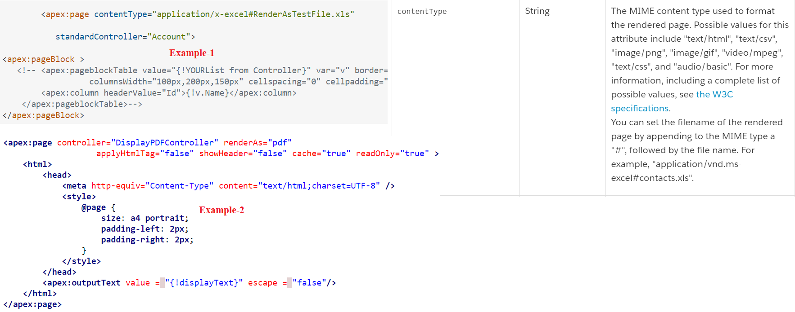
Page Generation

Call Lightning Component from Visualforce Page
(supports both Aura & LWC)

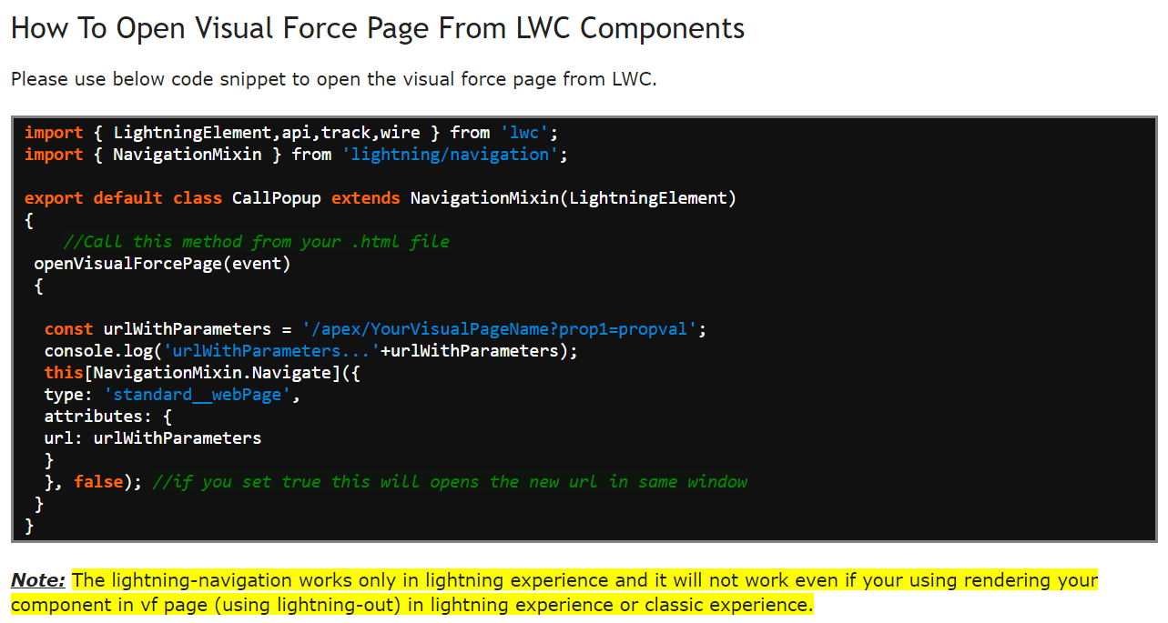
Call Visualforce Page from Lightning Component

Method-1

Method-2

